ADA TEMPLATE
Relevant Feature | Element | Issue | Code Snippet | screenshot | WCAG Success Criteria(Violation of) - Required | The client's auditor recommendation (Optional)
Products with no reviews | https://moscot.com/ | On products with no reviews “WRITE A REVIEW” copy and link are missing from the list view and PDP view |  | 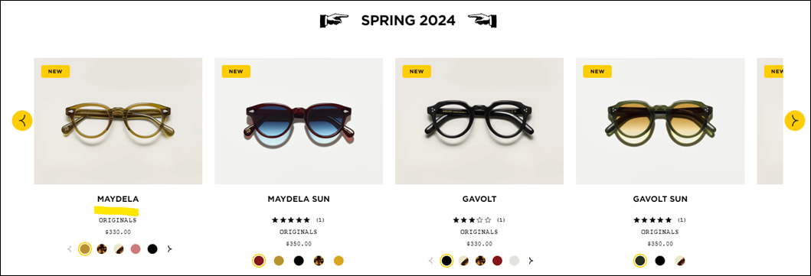 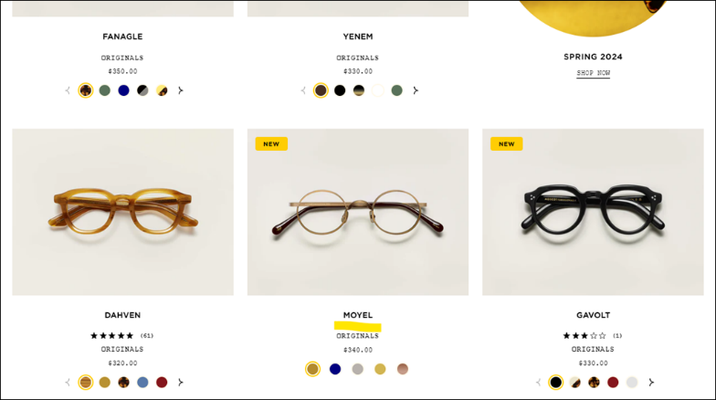 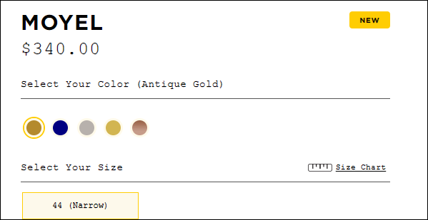 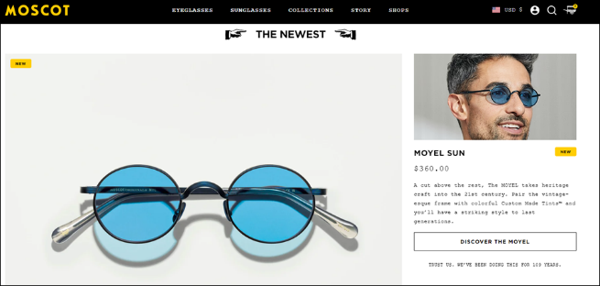 |  | Add "Write a Review" copy with blank stars as is currently on the site
Products in list view on homepage and PLP (anywhere on the site besides PDP) | https://moscot.com/ | Review numbers cannot be clicked on in list view |  |  |  | Link numbers to the PDP and anchor down to the "Reviews" section (as current site experience)
Upsell module at the bottom of PDP | https://moscot.com/products/lemtosh | No reviews showing up at all in the “YOU MAY ALSO LIKE” module at the bottom of PDP |  | 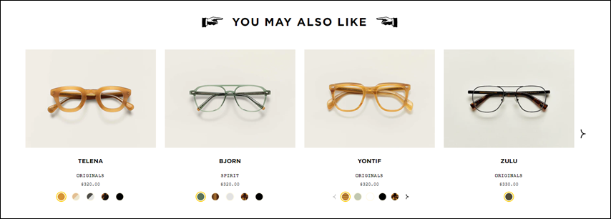 |  | Add reviews to this module
Products with no reviews | https://moscot.com/products/yenem | On products with no reviews there is additional unapproved copy and a grey line |  |  |  | Should be completely blank like the below on the live site:
Mobile View of homepage and PLP | https://moscot.com/ | Stars are showing up with the review number underneath in list view |  |  |  | Set the numbers in line with the review stars
Mobile View of PDP | https://moscot.com/products/lemtosh | Line is not centered under the review link on PDP |  |  |  | Center the line beneath the number of reviews
PDP | https://moscot.com/products/lemtosh | "WRITE A REVIEW" form is not centered on mobile |  |  |  | Center the "WRITE A REVIEW" form on mobile
PDP | https://moscot.com/products/lemtosh | Arrows on review images are not centered and are hard to see |  | 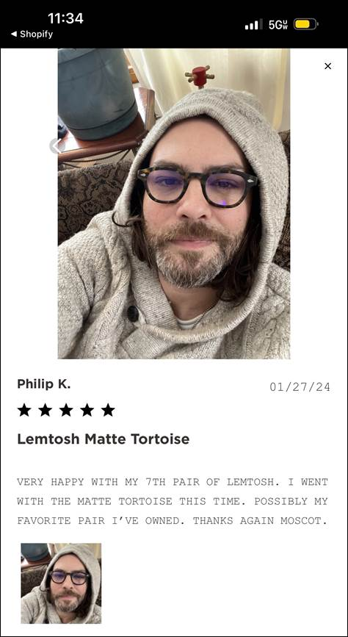 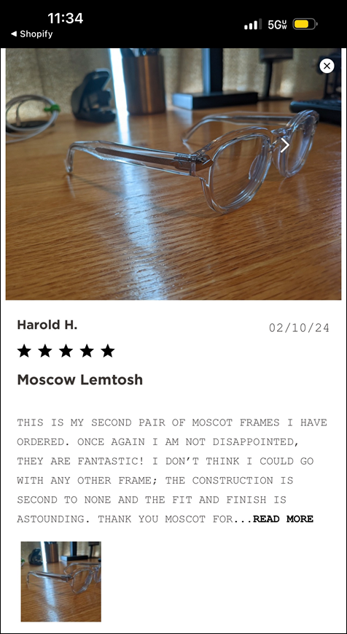 |  | Remove the arrows If possible - we don't have this functionality on desktop at all

